Sheet1
 |  | SOLUTION DELIVERY
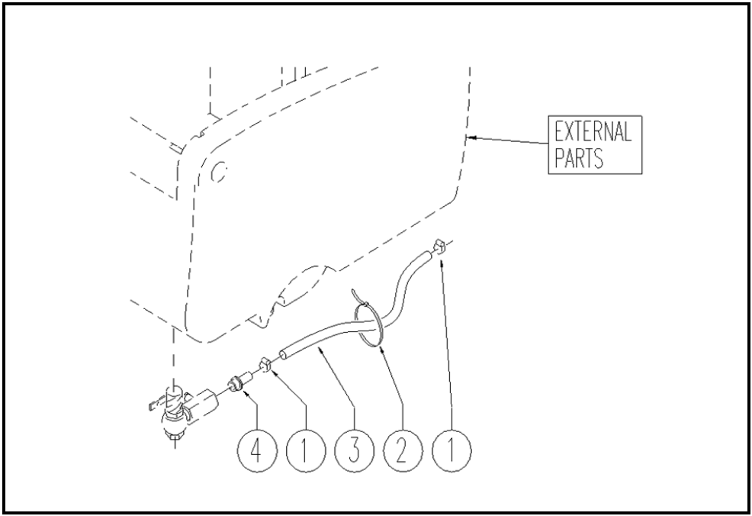

ITEM | SKU | DESCRIPTION | QTY | FROM
1 | E86751 | Clamp 10-16 | 2 | 03/2004
2 | FSVR00097 | CLAMP PLASTICA | 1 | 03/2004
3 | E89215 | Hose | 1
4 | E86397 | connector WS20 | 1 | 03/2004

